Sheet1
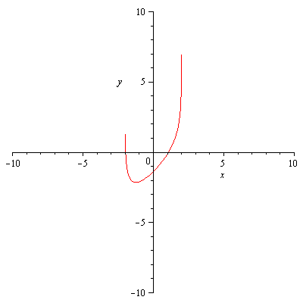

n
1 | 1.999 | 7.5207109491 | 1000.7499375 | 1.9914849249
2 | 1.9914849249 | 5.3732387453 | 118.18824282 | 1.9460215301
3 | 1.9460215301 | 3.4924836833 | 19.272485088 | 1.7648054769
4 | 1.7648054769 | 1.8864516323 | 4.9861817144 | 1.3864695596
5 | 1.3864695596 | 0.65520700728 | 2.334618201 | 1.1058210977
6 | 1.1058210977 | 0.084392383021 | 1.7963683888 | 1.0588416566
7 | 1.0588416566 | 0.0014492379817 | 1.7355993247 | 1.0580066493
8 | 1.0580066493 | 4.3060640653E-07 | 1.7345682114 | 1.0580064011
9 | 1.0580064011 | 3.8191672047E-14 | 1.734567905 | 1.0580064011

