Sheet1
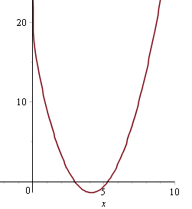
6.4 #59
n | xn
1 | 1.999 | 3.3113539445 | -4.5022501251 | 2.7344886673
2 | 2.7344886673 | 0.59557447364 | -2.896721749 | 2.9400915955
3 | 2.9400915955 | 0.044965090169 | -2.4599422669 | 2.9583705164
4 | 2.9583705164 | 0.00035336554892 | -2.4212828876 | 2.9585164579
5 | 2.9585164579 | 2.2515676434E-08 | -2.4209743302 | 2.9585164672
6 | 2.9585164672 | 0 | -2.4209743106 | 2.9585164672
7 | 2.9585164672 | 0 | -2.4209743106 | 2.9585164672
8 | 2.9585164672 | 0 | -2.4209743106 | 2.9585164672
9 | 2.9585164672 | 0 | -2.4209743106 | 2.9585164672
10 | 2.9585164672 | 0 | -2.4209743106 | 2.9585164672
11 | 2.9585164672 | 0 | -2.4209743106 | 2.9585164672
12 | 2.9585164672 | 0 | -2.4209743106 | 2.9585164672
13 | 2.9585164672 | 0 | -2.4209743106 | 2.9585164672
14 | 2.9585164672 | 0 | -2.4209743106 | 2.9585164672
15 | 2.9585164672 | 0 | -2.4209743106 | 2.9585164672
16 | 2.9585164672 | 0 | -2.4209743106 | 2.9585164672
17 | 2.9585164672 | 0 | -2.4209743106 | 2.9585164672
18 | 2.9585164672 | 0 | -2.4209743106 | 2.9585164672

