Sheet1
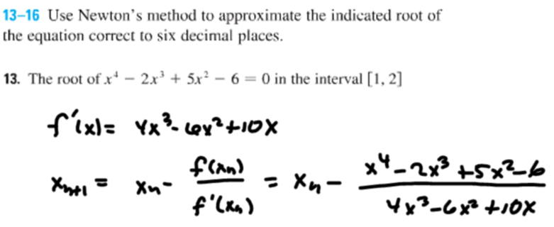
#13 | x1
 | 1

n | xn
1 | 1
2 | 1.25
3 | 1.2182142857
4 | 1.2175624215
5 | 1.2175621548
6 | 1.2175621548
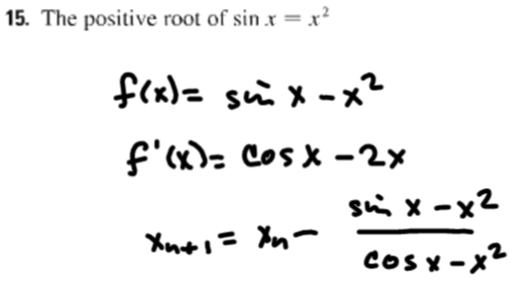
#15 | x1
 | 1

n | xn
1 | 1
2 | 0.89139599533
3 | 0.87698484479
4 | 0.87672629848
5 | 0.8767262154
6 | 0.8767262154
7 | 0.8767262154
8 | 0.8767262154

