Sheet1
#22 tan(x)-(1-x^2)^(1/2) |  | 1/(cos(x))^2+x/(1-x^2)^(1/2)
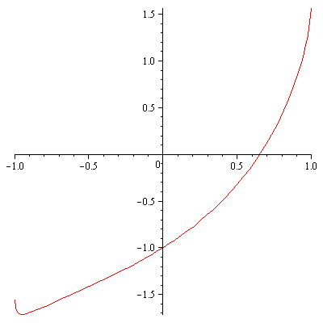
0.5 | -0.31972291394 | 1.8757966796 | 0.67044646545
0.67044646545 | 0.051023221034 | 2.5324369962 | 0.65029859164
0.65029859164 | 0.00099694753995 | 2.434645379 | 0.64988910796
0.64988910796 | 3.9239217053E-07 | 2.4327293137 | 0.64988894667
0.64988894667 | 6.0951244052E-14 | 2.4327285595 | 0.64988894667
0.64988894667 | 0 | 2.4327285595 | 0.64988894667
0.64988894667 | 0 | 2.4327285595 | 0.64988894667
0.64988894667 | 0 | 2.4327285595 | 0.64988894667

